Sheet1
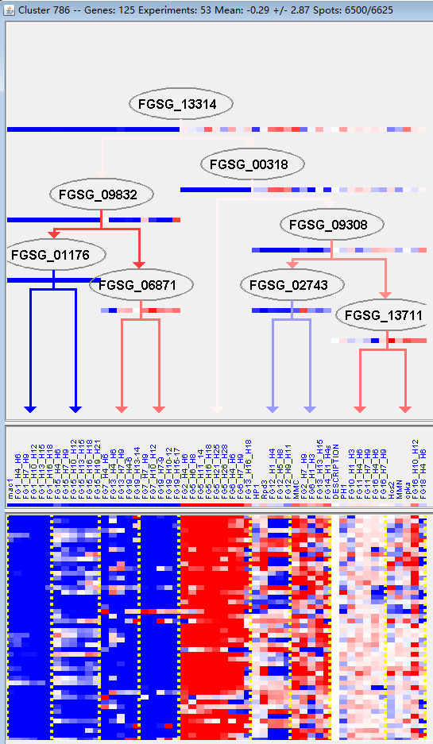
k | Filter | FUNCTIONAL CATEGORY | abs SET | rel SET | genes SET | abs GENOME | rel GENOME | rel SET/rel GENOME | P-VALUE | Bonferroni_corr | FDR
01.05.03 polysaccharide metabolism | 10 | 9.8 | FGSG_01496 FGSG_02189 FGSG_03387 FGSG_05292 FGSG_05763 FGSG_07238 FGSG_13245 FGSG_08534 FGSG_10435 FGSG_10920 | 291 | 2.1 | 4.666666667 | 5.65E-05
01.25.01 extracellular polysaccharide degradation | 4 | 3.92 | FGSG_05763 FGSG_07238 FGSG_13245 FGSG_10435 | 33 | 0.23 | 17.04347826 | 9.69E-05
01.25 extracellular metabolism | 5 | 4.9 | FGSG_05763 FGSG_07238 FGSG_13245 FGSG_09646 FGSG_10435 | 74 | 0.53 | 9.245283019 | 0.000213094
01.05 C-compound and carbohydrate metabolism | 23 | 22.5 | FGSG_01496 FGSG_01857 FGSG_02189 FGSG_03920 FGSG_03812 FGSG_03788 FGSG_03616 FGSG_03593 FGSG_03387 FGSG_05292 FGSG_05763 FGSG_05872 FGSG_06888 FGSG_07238 FGSG_13245 FGSG_08534 FGSG_09081 FGSG_09646 FGSG_10433 FGSG_10435 FGSG_10445 FGSG_10446 FGSG_10920 | 1547 | 11.1 | 2.027027027 | 0.000744634
32.10.07 degradation / modification of foreign (exogenous) polysaccharides | 3 | 2.94 | FGSG_05763 FGSG_07238 FGSG_10435 | 31 | 0.22 | 13.36363636 | 0.001508111
32.10 degradation / modification of foreign (exogenous) compounds | 4 | 3.92 | FGSG_03812 FGSG_05763 FGSG_07238 FGSG_10435 | 77 | 0.55 | 7.127272727 | 0.002501604
02.25 oxidation of fatty acids | 3 | 2.94 | FGSG_01419 FGSG_05872 FGSG_09503 | 56 | 0.4 | 7.35 | 0.00814242
20.03.02.02 symporter | 3 | 2.94 | FGSG_03920 FGSG_09060 FGSG_09081 | 69 | 0.49 | 6 | 0.014368295
01.01.11.01.01 biosynthesis of alanine | 1 | 0.98 | FGSG_01766 | 2 | 0.01 | 98 | 0.014700913
01.01.11.01.02 degradation of alanine | 1 | 0.98 | FGSG_01766 | 2 | 0.01 | 98 | 0.014700913
01.20.01 metabolism of primary metabolic sugar derivatives | 2 | 1.96 | FGSG_01857 FGSG_02189 | 26 | 0.18 | 10.88888889 | 0.015609161
32 CELL RESCUE, DEFENSE AND VIRULENCE | 18 | 17.6 | FGSG_00140 FGSG_01440 FGSG_03897 FGSG_03812 FGSG_03109 FGSG_03064 FGSG_04828 FGSG_05763 FGSG_06792 FGSG_07238 FGSG_13153 FGSG_08911 FGSG_08464 FGSG_09646 FGSG_10435 FGSG_10445 FGSG_10920 FGSG_11343 | 1452 | 10.5 | 1.676190476 | 0.018924376
34.01.03 homeostasis of anions | 2 | 1.96 | FGSG_08911 FGSG_09060 | 36 | 0.26 | 7.538461538 | 0.028852205
01 METABOLISM | 34 | 33.3 | FGSG_01419 FGSG_01496 FGSG_01639 FGSG_01766 FGSG_01857 FGSG_02189 FGSG_02686 FGSG_03920 FGSG_03856 FGSG_03812 FGSG_03788 FGSG_03616 FGSG_03593 FGSG_03387 FGSG_04828 FGSG_05292 FGSG_05763 FGSG_05872 FGSG_05889 FGSG_06792 FGSG_06888 FGSG_07238 FGSG_13153 FGSG_13245 FGSG_08534 FGSG_09081 FGSG_09503 FGSG_09646 FGSG_10433 FGSG_10435 FGSG_10445 FGSG_10446 FGSG_11192 FGSG_10920 | 3402 | 24.6 | 1.353658537 | 0.02908343
32.07.09 detoxification by degradation | 2 | 1.96 | FGSG_03812 FGSG_09646 | 38 | 0.27 | 7.259259259 | 0.03189163
01.20.01.07 metabolism of glycosides | 1 | 0.98 | FGSG_02189 | 5 | 0.03 | 32.66666667 | 0.036351945
01.01.11.06 metabolism of the D-alanine amino acid group | 1 | 0.98 | FGSG_01766 | 6 | 0.04 | 24.5 | 0.043463739
01.20.01.05 metabolism of sugar alcohols | 1 | 0.98 | FGSG_01857 | 6 | 0.04 | 24.5 | 0.043463739

01.05.03多糖代谢
01.25.01细胞外多糖降解

